Application Screen
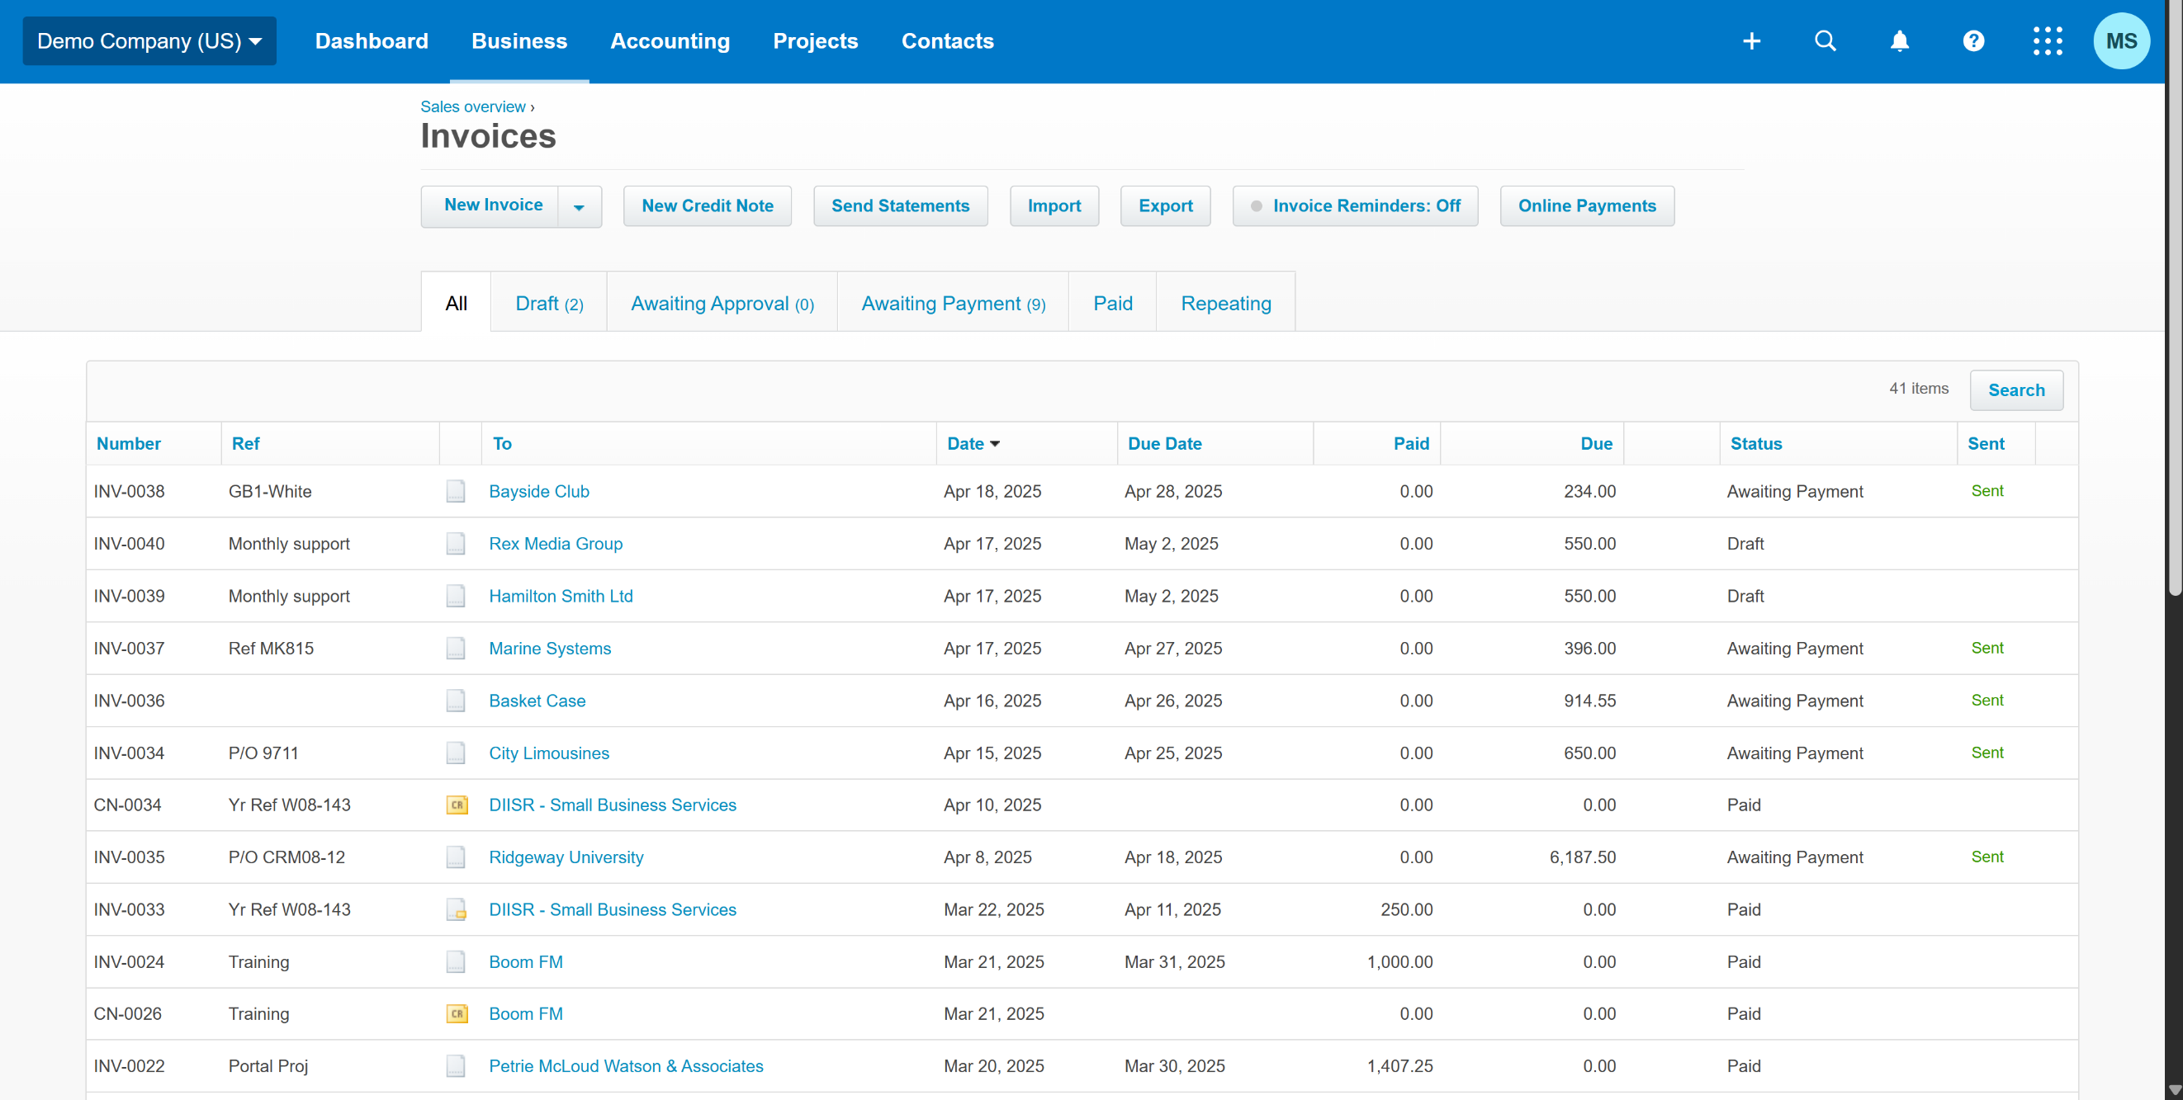

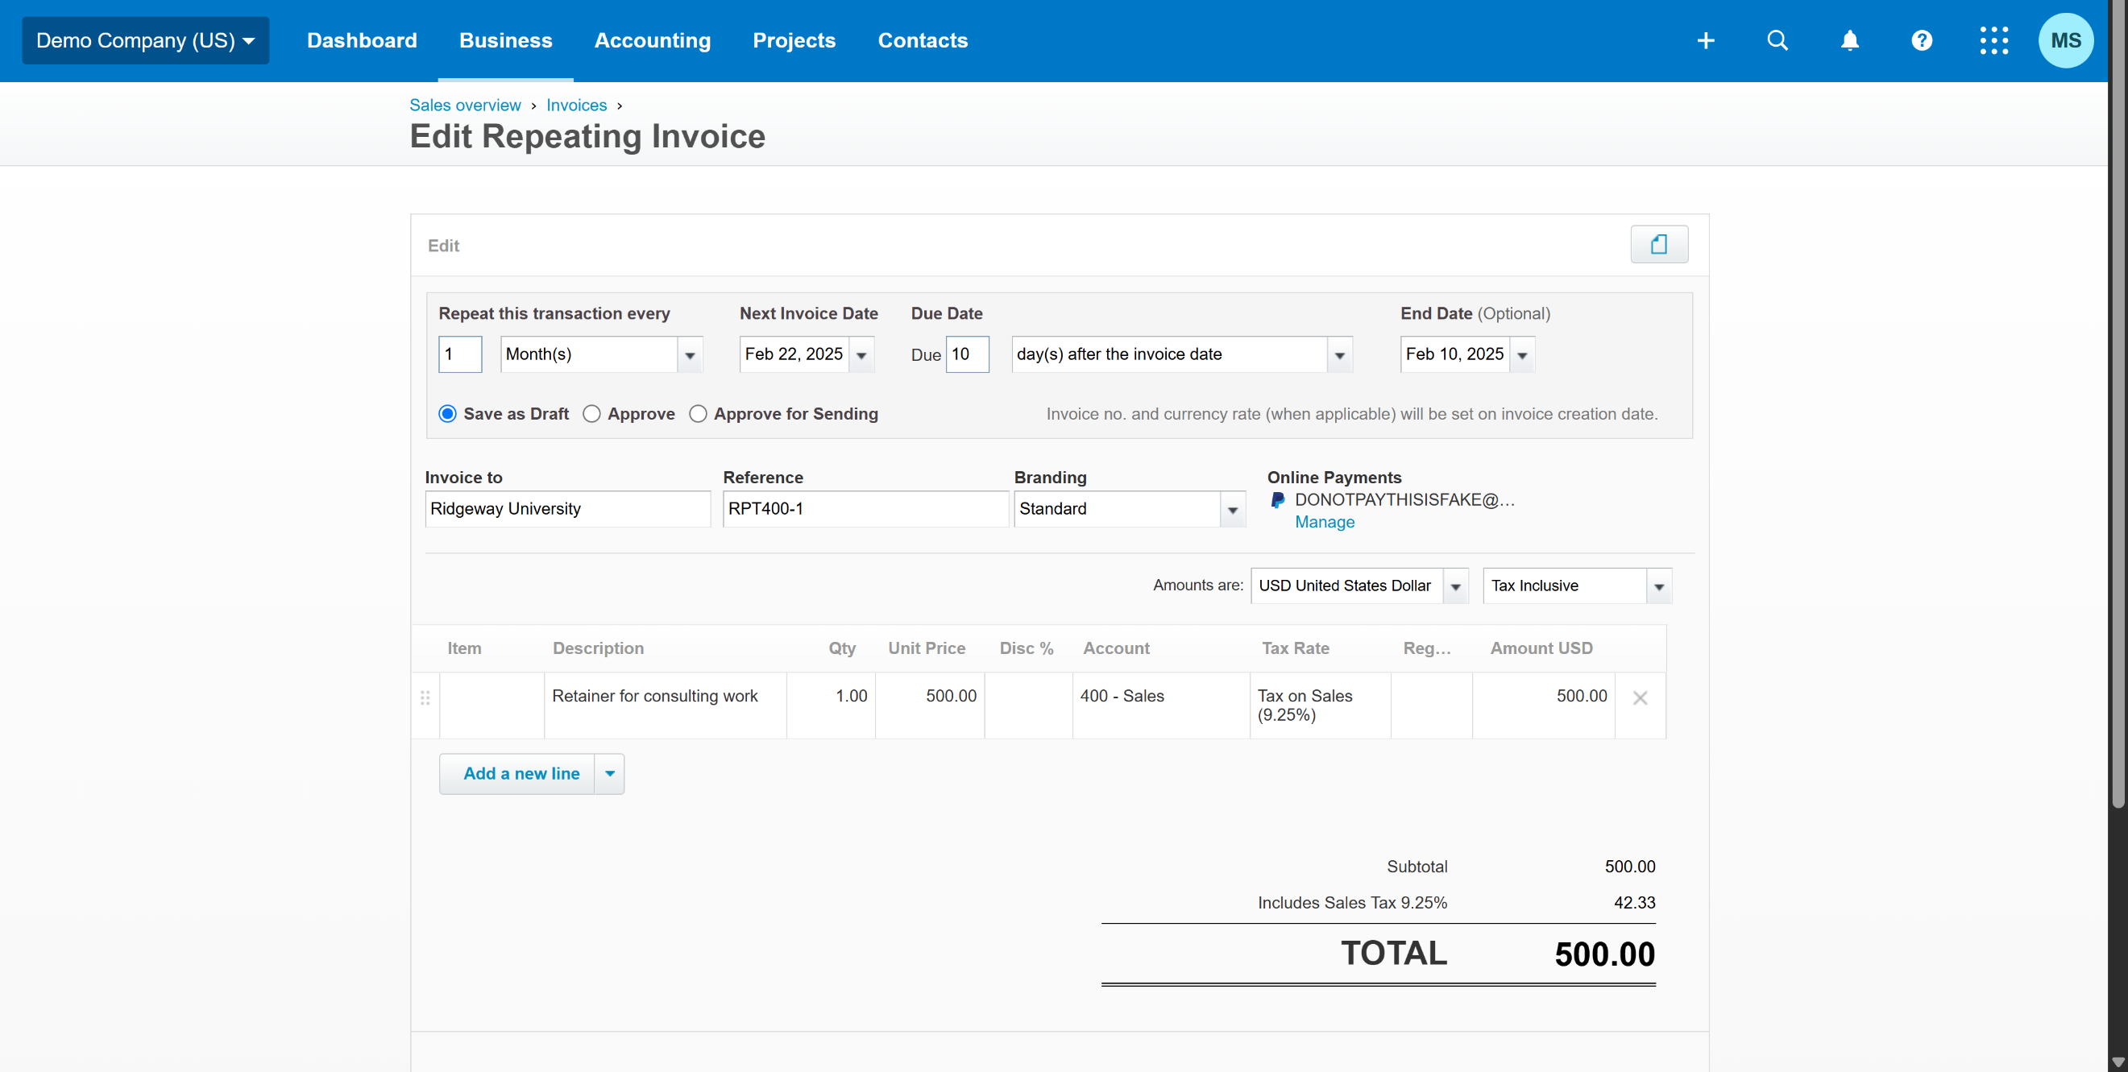

Test Case 16
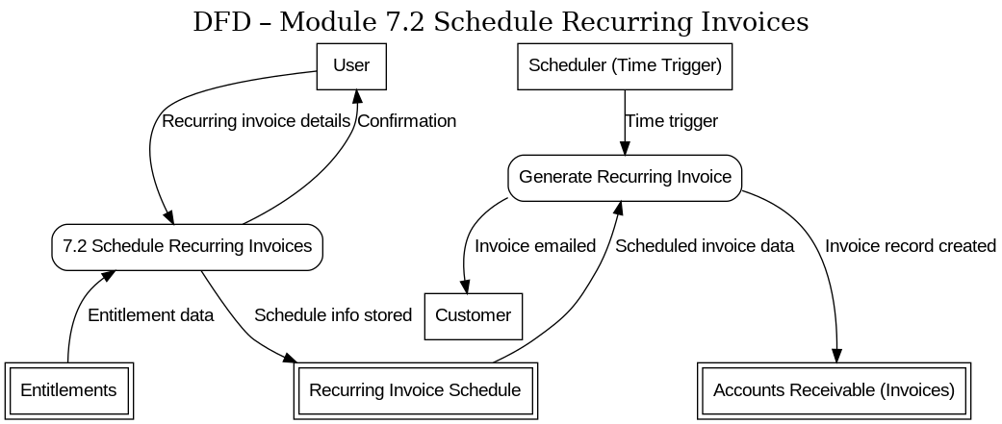
TC Title: | TC16. Schedule Recurring Invoices – Data Flow Out Testing(DF-Out)

TC Objective: | Verify that a scheduled recurring invoice outputs data to other parts of the system, i.e. that an actual invoice is generated (and sent, if applicable) at the scheduled time.

Test Data (optional): | User: Admin (admin@demo.com, pass: abcd@1234)

TC Description
 | Step | Step Description | Expected Results
 | 1 | Log in as Admin | User successfully logs in.
 | 2 | Navigate to “Invoices” and select “Repeating Invoices.” | The Repeating Invoices management page is displayed.
 | 3 | Click “New Repeating Invoice” to create a new recurring invoice schedule. | The New Repeating Invoice form appears.
 | 4 | Fill out the recurring invoice form with valid details: select "Jane Smith" as the contact, add necessary | The recurring invoice details are entered and accepted
 | 5 | Click “Save” to create the recurring invoice schedule. | The schedule is saved successfully.
 | 6 | Simulate or wait until the scheduled invoice generation time is reached | At the scheduled time, the system triggers the creation of the recurring invoice instance.
 | 7 | Navigate to “Invoices” > “All” and search for the invoice for "Jane Smith" that corresponds to the recurring template. | A new invoice is present in the invoice list for Jane Smith, with the correct details
 | 8 | If the recurring invoice was set to email automatically, check the outcome of that data flow out: for example, verify that the invoice shows as “Sent” or that an entry in an email log/history is recorded. | The system indicates the invoice was emailed out to "Jane Smith"

